APP Command new checksum
MCU->BLE - send out Command | Start | Length | SeqID | SenID | RevID | OP code - Low | OP code - High | checksum | tail
Enable ble Pair - 0x02a | aa | 00 | 00 | 00 | 05 | 2a | 10 | C1 | 55
 |  | 0 | 0 | 0 | 5 | 42 | 16 | C1
BLE- feedback pair command | Start | Length | SeqID | SenID | RevID | OP code - Low | OP code - High | Parameter/data[0] | checksum | tail
MCU
BLE
get | aa | 01 | 00 | 05 | 00 | 2a | 20 | 00 | B0 | 55
 |  | 1 | 0 | 5 | 0 | 42 | 32 | 0 | B0
Fail | aa | 01 | 00 | 00 | 05 | 2a | 20 | 01 | AF | 55
 |  | 1 | 0 | 0 | 5 | 42 | 32 | 1 | AF

MCU <- BLE - send out Command | Start | Length | SeqID | SenID | RevID | OP code - Low | OP code - High | Parameter/data[0] | checksum | tail
Bluetooth feedback the result of pairing - 0x030 | aa | 01 | 00 | 05 | 00 | 30 | 10 | 00 | BA | 55
pair success |  | 1 | 0 | 5 | 0 | 48 | 16 | 0 | BA
pair fail | aa | 01 | 00 | 05 | 00 | 30 | 10 | 01 | B9 | 55
 |  | 1 | 0 | 5 | 0 | 48 | 16 | 1 | B9
MCU respond | Start | Length | SeqID | SenID | RevID | OP code - Low | OP code - High | Parameter/data[0] | checksum | tail
get | aa | 01 | 00 | 00 | 05 | 30 | 20 | 00 | AA | 55
 |  | 1 | 0 | 0 | 5 | 48 | 32 | 0 | AA
Fail | aa | 01 | 00 | 00 | 05 | 30 | 20 | 01 | A9 | 55
 |  | 1 | 0 | 0 | 5 | 48 | 32 | 1 | A9
Battery modifies BLE name | Start | Length | SeqID | SenID | RevID | OP code - Low | OP code - High | Parameter/data[0] | Parameter/data[1] | Parameter/data[2] | Parameter/data[3] | Parameter/data[4] | Parameter/data[5] | Parameter/data[6] | Parameter/data[7] | Parameter/data[8] | Parameter/data[9] | Parameter/data[10] | checksum | tail
 | aa | 0b | 00 | 00 | 05 | 04 | 10 | 82 | 39 | 19 | 66 | 73 | 50 | 80 | 65 | 67 | 75 | 32 | EC | 55
 |  | 11 | 0 | 0 | 5 | 4 | 16 | 130 | 57 | 25 | 102 | 115 | 80 | 128 | 101 | 103 | 117 | 50 | EC
mcu-Respond | Start | Length | SeqID | SenID | RevID | OP code - Low | OP code - High | Parameter/data[0] | checksum | tail
change name success | aa | 01 | 00 | 05 | 00 | 04 | 20 | 00 | D6 | 55
 |  | 1 | 0 | 5 | 0 | 4 | 32 | 0 | D6
change name fail | aa | 01 | 00 | 05 | 00 | 04 | 20 | 01 | D5 | 55
 |  | 1 | 0 | 5 | 0 | 4 | 32 | 1 | D5

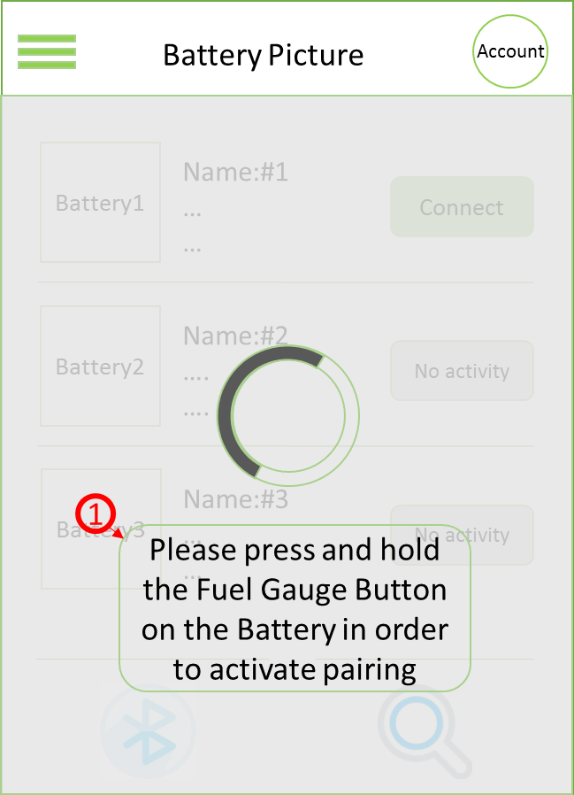
Phone -> MCU - send out Command | Start | Length | SeqID | SenID | RevID | OP code - Low | OP code - High | checksum | tail
Handshake request - 0x001 | aa | 00 | 00 | 03 | 00 | 01 | 10 | EC | 55
 |  | 0 | 0 | 3 | 0 | 1 | 16 | EC
MCU-Respone | Start | Length | SeqID | SenID | RevID | OP code - Low | OP code - High | Parameter/data[0] | checksum | tail
Success | aa | 01 | 00 | 00 | 03 | 01 | 20 | 00 | DB | 55
 |  | 1 | 0 | 0 | 3 | 1 | 32 | 0 | DB
reject | aa | 01 | 00 | 00 | 03 | 01 | 20 | 01 | DA | 55
 |  | 1 | 0 | 0 | 3 | 1 | 32 | 1 | DA

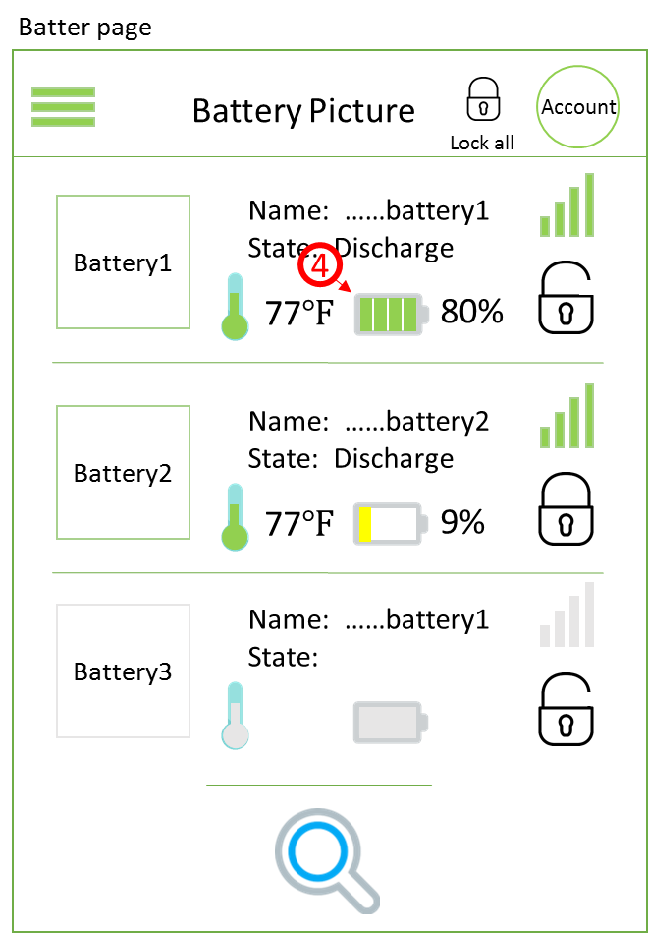

Phone - send out Command | Start | Length | SeqID | SenID | RevID | OP code - Low | OP code - High | checksum | tail
Read Battery Profile 0x2E | aa | 00 | 00 | 03 | 00 | 2E | 10 | BF | 55
 |  | 0 | 0 | 3 | 0 | 46 | 16 | BF
MCU-Respone | Start | Length | SeqID | SenID | RevID | OP code - Low | OP code - High | Parameter/data[0] | Parameter/data[1] | Parameter/data[2] | Parameter/data[3] | Parameter/data[4] | Parameter/data[5] | Parameter/data[6] | Parameter/data[7] | Parameter/data[8] | checksum | tail
Read Battery Profile | aa | 09 | 00 | 00 | 03 | 2E | 20 | d2 | 00 | 0f | 00 | fe | 4c | 0b | 00 | 14 | 5C | 55
 |  | 9 | 0 | 0 | 3 | 46 | 32 | 210 | 0 | 15 | 0 | 254 | 76 | 11 | 0 | 20 | 5C
 |  |  |  |  |  |  |  | Pack Temperature |  | SOC |  | Pack Current |  | Pack Voltage |  | Charge/Discharge/Idle/Protection
Phone - send out Command | Start | Length | SeqID | SenID | RevID | OP code - Low | OP code - High | checksum | tail |  |  |  |  |  |  | bit0-bit3:
Lock battery command -0x00b | aa | 00 | 00 | 03 | 00 | 0b | 10 | E2 | 55 |  |  |  |  |  |  | 001 ->Idle
 |  | 0 | 0 | 3 | 0 | 11 | 16 | E2 |  |  |  |  |  |  |  | 010->Charge
MCU-Respone | Start | Length | SeqID | SenID | RevID | OP code - Low | OP code - High | Parameter/data[0] | checksum | tail |  |  |  |  |  | 100 ->Discharge
Lock respond - lock success | aa | 01 | 00 | 00 | 03 | 0b | 20 | 00 | D1 | 55 |  |  |  |  |  | bit3:1->Protection 0->Normal
 |  | 1 | 0 | 0 | 3 | 11 | 32 | 0 | D1 |  |  |  |  |  |  | bit4:1->Lock 0->Unlock
Lock respond - lock fail | aa | 00 | 00 | 00 | 03 | 0b | 20 | 01 | D1 | 55 |  |  |  |  |  | bit5:
 |  | 0 | 0 | 0 | 3 | 11 | 32 | 1 | D1 |  |  |  |  |  |  | bit6:
Phone - send out Command | Start | Length | SeqID | SenID | RevID | OP code - Low | OP code - High | checksum | tail |  |  |  |  |  |  | bit7:
unlock battery command--0x00c | aa | 00 | 00 | 03 | 00 | 0c | 10 | E1 | 55 |  |  |  |  |  |  | Example
 |  | 0 | 0 | 3 | 0 | 12 | 16 | E1 |  |  |  |  |  |  |  | 0x1x - Lock
MCU-Respone | Start | Length | SeqID | SenID | RevID | OP code - Low | OP code - High | Parameter/data[0] | checksum | tail |  |  |  |  |  | 0x01 - Idle
unlock respond - unlock success | aa | 01 | 00 | 00 | 03 | 0c | 20 | 00 | D0 | 55 |  |  |  |  |  | 0x02 - charge
 |  | 1 | 0 | 0 | 3 | 12 | 32 | 0 | D0 |  |  |  |  |  |  | 0x04 - discharge
unlock respond - unlock fail | aa | 01 | 00 | 00 | 03 | 0c | 20 | 01 | CF | 55 |  |  |  |  |  | 0x09 - Idle & Protection
 |  | 1 | 0 | 0 | 3 | 12 | 32 | 1 | CF |  |  |  |  |  |  | 0x0a - charge&protection
Phone - send out Command | Start | Length | SeqID | SenID | RevID | OP code - Low | OP code - High | checksum | tail |  |  |  |  |  |  | 0x0c - discharge&protection
Read device Name | aa | 00 | 00 | 03 | 00 | 1a | 10 | D3 | 55
 |  | 0 | 0 | 3 | 0 | 26 | 16 | D3
mcu-Respond | Start | Length | SeqID | SenID | RevID | OP code - Low | OP code - High | Parameter/data[0] | Parameter/data[1] | Parameter/data[2] | Parameter/data[3] | Parameter/data[4] | Parameter/data[5] | Parameter/data[6] | Parameter/data[7] | Parameter/data[8] | Parameter/data[9] | Parameter/data[10] | checksum | tail
 | aa | 0b | 00 | 00 | 03 | 1a | 10 | 82 | 39 | 19 | 66 | 73 | 32 | 80 | 65 | 67 | 75 | 32 | F6 | 55
 |  | 11 | 0 | 0 | 3 | 26 | 16 | 130 | 57 | 25 | 102 | 115 | 50 | 128 | 101 | 103 | 117 | 50 | F6

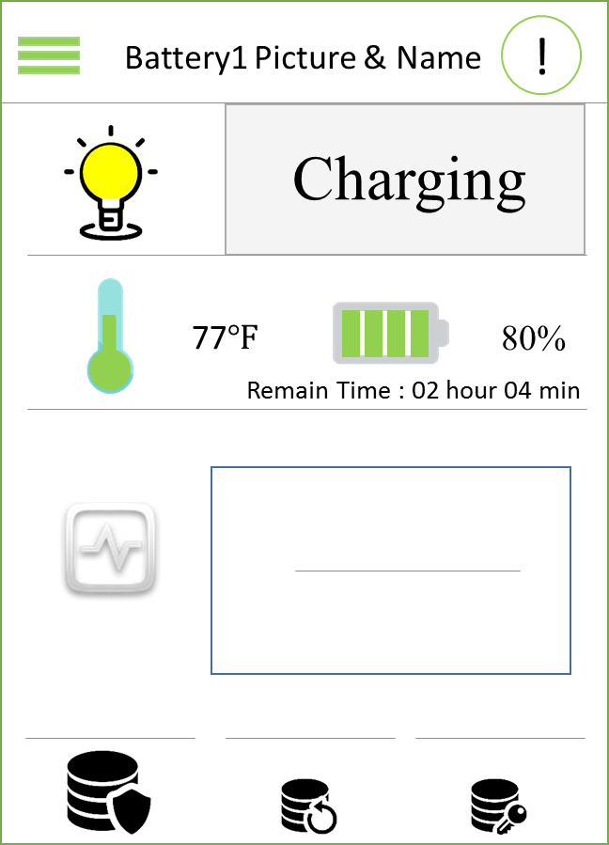
Phone - send out Command | Start | Length | SeqID | SenID | RevID | OP code - Low | OP code - High | checksum | tail
Request Alert notification 0x017 | aa | 00 | 00 | 03 | 00 | 17 | 10 | D6 | 55
 |  | 0 | 0 | 3 | 0 | 23 | 16 | D6
MCU-Respone | Start | Length | SeqID | SenID | RevID | OP code - Low | OP code - High | Parameter/data[0] | Parameter/data[1] | checksum | tail
Request Alert | aa | 02 | 00 | 00 | 03 | 17 | 20 | 01 | 00 | C3 | 55
 |  | 2 | 0 | 0 | 3 | 23 | 32 | 1 | 0 | C3
Payload Define:
0x0001 - charge completion,
0x0002 - low SOC (less than 10%),
0x0004 - deep discharge,
0x0008 - over temperature,
0x0010 - over current,
0x0020 - high storage temp
0x0040 - low storage temp,
0x0080 - lock-out status
0x0100 - over voltage protection.
0x0200 - other faults

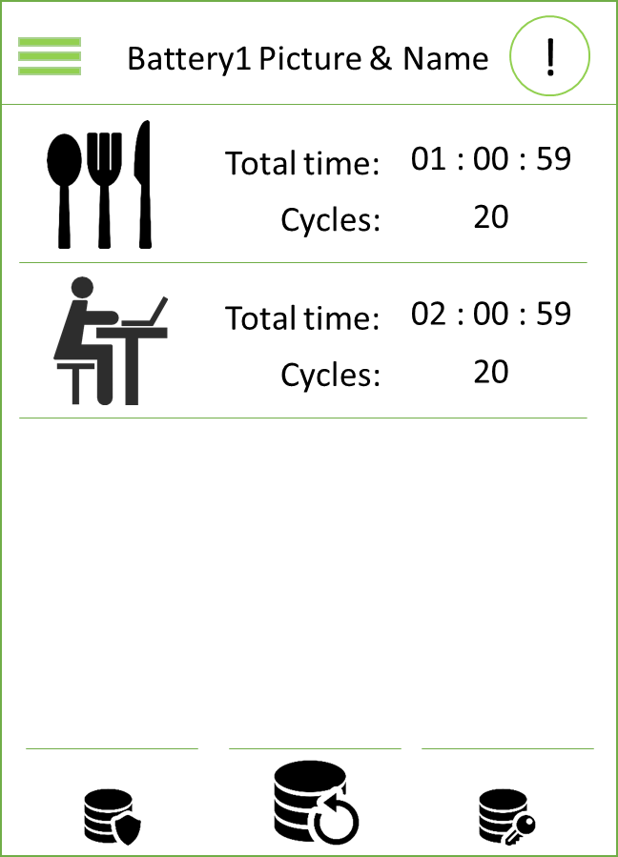
Phone - send out Command | Start | Length | SeqID | SenID | RevID | OP code - Low | OP code - High | checksum | tail
Read Charge cycles and discharge cycles 0x019 | aa | 00 | 00 | 03 | 00 | 19 | 10 | D4 | 55
 |  | 0 | 0 | 3 | 0 | 25 | 16 | D4
MCU-Respone | Start | Length | SeqID | SenID | RevID | OP code - Low | OP code - High | Parameter/data[0] | Parameter/data[1] | Parameter/data[2] | Parameter/data[3] | checksum | tail
Charge cycles and discharge cycles | aa | 04 | 00 | 00 | 03 | 19 | 20 | 00 | 00 | 00 | 00 | C0 | 55
 |  | 4 | 0 | 0 | 3 | 25 | 32 | 0 | 0 | 0 | 0 | C0
 |  |  |  |  |  |  |  | Total charge cycles |  | Total discharge cycles

Phone - send out Command | Start | Length | SeqID | SenID | RevID | OP code - Low | OP code - High | checksum | tail
Read Charge time and discharge time 0x014 | aa | 00 | 00 | 03 | 00 | 14 | 10 | D9 | 55
 |  | 0 | 0 | 3 | 0 | 20 | 16 | D9
MCU-Respone | Start | Length | SeqID | SenID | RevID | OP code - Low | OP code - High | Parameter/data[0] | Parameter/data[1] | Parameter/data[2] | Parameter/data[3] | Parameter/data[4] | Parameter/data[5] | Parameter/data[6] | Parameter/data[7] | checksum |  | tail
Charge time and discharge time 0x014 | aa | 08 | 00 | 00 | 03 | 14 | 20 | 00 | 00 | 00 | 00 | 00 | 00 | 00 | 00 | C1 |  | 55
 |  | 8 | 0 | 0 | 3 | 20 | 32 | 0 | 0 | 0 | 0 | 0 | 0 | 0 | 0 | C1
 |  |  |  |  |  |  |  | Total charge time |  |  |  | Total discharge time

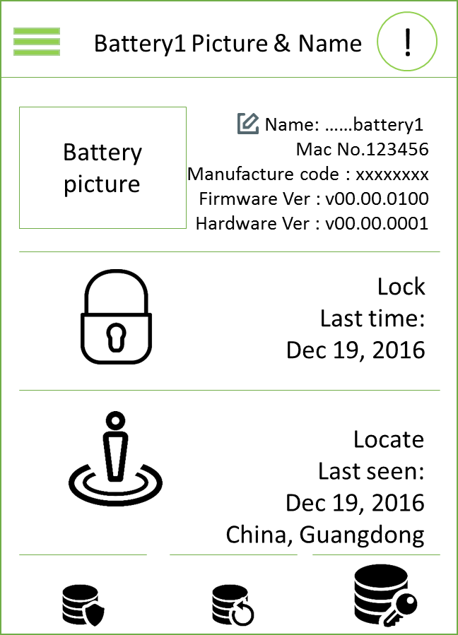
KEEP UPDATE
Phone - send out Command | Start | Length | SeqID | SenID | RevID | OP code - Low | OP code - High | checksum | tail
0xFF0, Get version of Firmware | aa | 00 | 00 | 03 | 00 | f0 | 1f | EE | 55
 |  | 0 | 0 | 3 | 0 | 240 | 31 | EE
0xFF1, Get version of Hardware | aa | 00 | 00 | 03 | 00 | f1 | 1f | ED
 |  | 0 | 0 | 3 | 0 | 241 | 31 | ED
Modify Battery module name | Start | Length | SeqID | SenID | RevID | OP code - Low | OP code - High | Parameter/data[0] | Parameter/data[1] | Parameter/data[2] | Parameter/data[3] | Parameter/data[4] | Parameter/data[5] | Parameter/data[6] | Parameter/data[7] | Parameter/data[8] | Parameter/data[9] | Parameter/data[10] | checksum | tail
 | aa | 0b | 00 | 03 | 00 | 04 | 10 | 82 | 39 | 19 | 66 | 73 | 50 | 80 | 65 | 67 | 75 | 32 | EE | 55
 |  | 11 | 0 | 3 | 0 | 4 | 16 | 130 | 57 | 25 | 102 | 115 | 80 | 128 | 101 | 103 | 117 | 50 | EE
mcu-Respond | Start | Length | SeqID | SenID | RevID | OP code - Low | OP code - High | Parameter/data[0] | checksum | tail
change name success | aa | 01 | 00 | 00 | 03 | 04 | 20 | 00 | D8 | 55
 |  | 1 | 0 | 0 | 3 | 4 | 32 | 0 | D8
change name fail | aa | 01 | 00 | 00 | 03 | 04 | 20 | 01 | D7 | 55
 |  | 1 | 0 | 0 | 3 | 4 | 32 | 1 | D7

